Tickets
No | Link Tiket |  | Requestor | Last Status | Expected Due Date | Update Progress | Pending Reason
1. | https://myforms.dipostar.com/ticket-list/437863 | 437863 | Stefani | In Progress | 13/05/2024 | Done | Skipped
2. | https://myforms.dipostar.com/ticket-list/438450 | 438450 | Shinta Welia | Resolved | 13/05/2024 | Done | Skipped | Update of ITD Data Maintenance (iFinancing) - 2 October 2024
3. | https://myforms.dipostar.com/ticket-list/438420 | 438420 | Shinta Welia | Resolved | 13/05/2024 | Done | Skipped
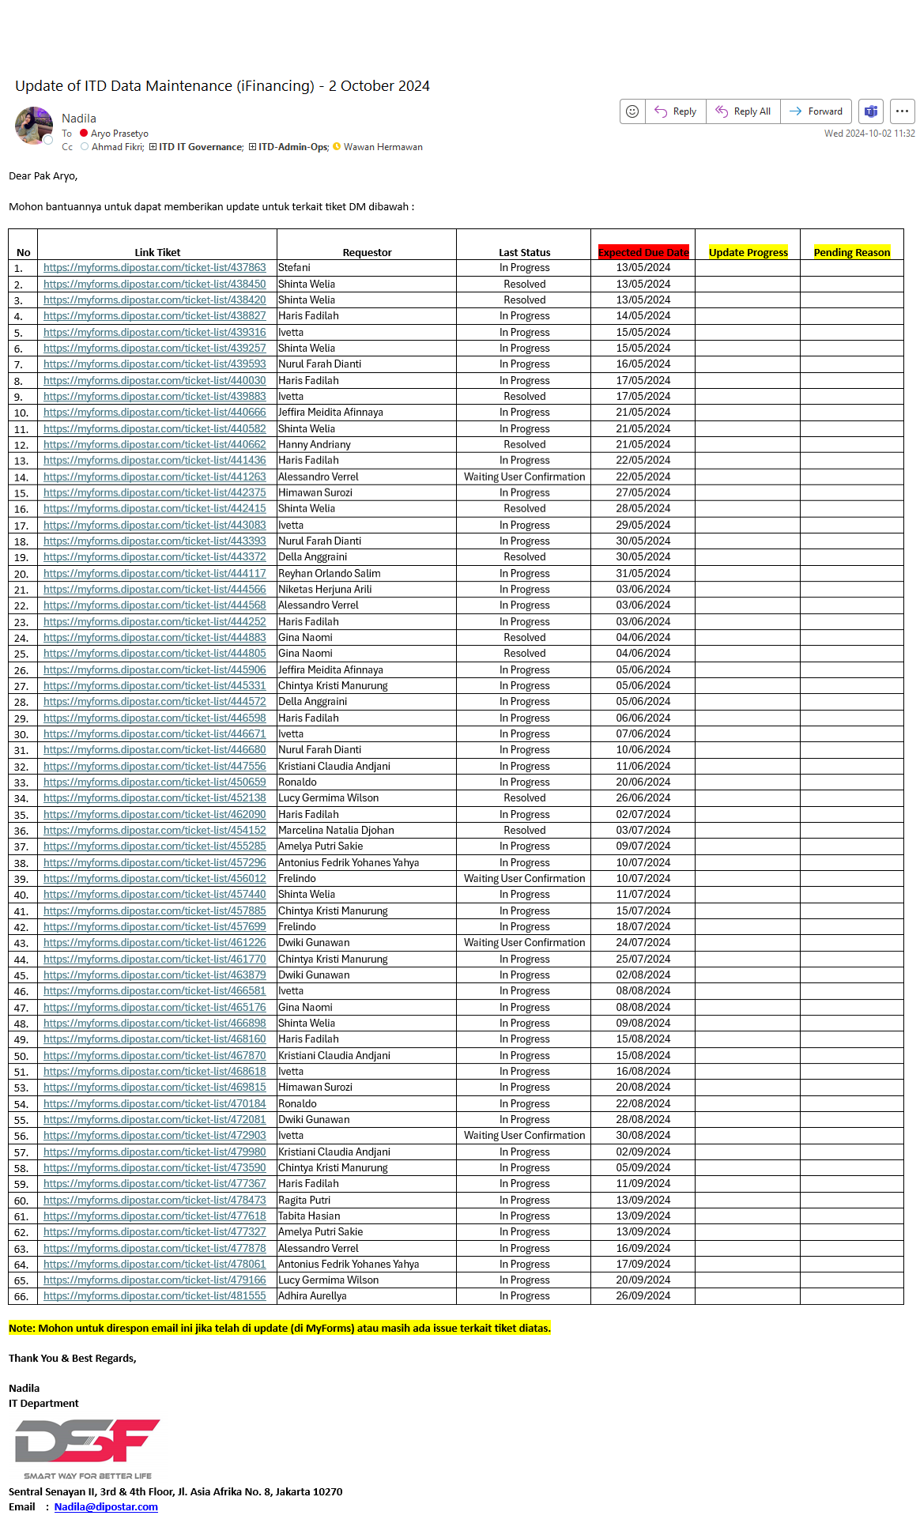
4. | https://myforms.dipostar.com/ticket-list/438827 | 438827 | Haris Fadilah | In Progress | 14/05/2024 | Done | Skipped
5. | https://myforms.dipostar.com/ticket-list/439316 | 439316 | Ivetta | In Progress | 15/05/2024 | In progress | IMS
6. | https://myforms.dipostar.com/ticket-list/439257 | 439257 | Shinta Welia | In Progress | 15/05/2024 | Done | Skipped
7. | https://myforms.dipostar.com/ticket-list/439593 | 439593 | Nurul Farah Dianti | In Progress | 16/05/2024 | Checking... | Checking...
8. | https://myforms.dipostar.com/ticket-list/440030 | 440030 | Haris Fadilah | In Progress | 17/05/2024 | Data Cleansing
9. | https://myforms.dipostar.com/ticket-list/439883 | 439883 | Ivetta | Resolved | 17/05/2024 | Done | Already updated
10. | https://myforms.dipostar.com/ticket-list/440666 | 440666 | Jeffira Meidita Afinnaya | In Progress | 21/05/2024 | Done | Skipped
11. | https://myforms.dipostar.com/ticket-list/440582 | 440582 | Shinta Welia | In Progress | 21/05/2024 | Done | Skipped
12. | https://myforms.dipostar.com/ticket-list/440662 | 440662 | Hanny Andriany | Resolved | 21/05/2024 | Done | Attach evidence
13. | https://myforms.dipostar.com/ticket-list/441436 | 441436 | Haris Fadilah | In Progress | 22/05/2024 | Data Cleansing
14. | https://myforms.dipostar.com/ticket-list/441263 | 441263 | Alessandro Verrel | Waiting User Confirmation | 22/05/2024 | Checking... | Checking...
15. | https://myforms.dipostar.com/ticket-list/442375 | 442375 | Himawan Surozi | In Progress | 27/05/2024 | Done | Skipped
16. | https://myforms.dipostar.com/ticket-list/442415 | 442415 | Shinta Welia | Resolved | 28/05/2024 | Done | Attach evidence
17. | https://myforms.dipostar.com/ticket-list/443083 | 443083 | Ivetta | In Progress | 29/05/2024 | Done | No evidence
18. | https://myforms.dipostar.com/ticket-list/443393 | 443393 | Nurul Farah Dianti | In Progress | 30/05/2024 | Cancel --> User re-create simulation.
19. | https://myforms.dipostar.com/ticket-list/443372 | 443372 | Della Anggraini | Resolved | 30/05/2024 | Done | Attach evidence
20. | https://myforms.dipostar.com/ticket-list/444117 | 444117 | Reyhan Orlando Salim | In Progress | 31/05/2024 | In progress | IMS
21. | https://myforms.dipostar.com/ticket-list/444566 | 444566 | Niketas Herjuna Arili | In Progress | 03/06/2024 | Done | No evidence
22. | https://myforms.dipostar.com/ticket-list/444568 | 444568 | Alessandro Verrel | In Progress | 03/06/2024 | Checking... | Checking...
23. | https://myforms.dipostar.com/ticket-list/444252 | 444252 | Haris Fadilah | In Progress | 03/06/2024 | Done | Skipped
24. | https://myforms.dipostar.com/ticket-list/444883 | 444883 | Gina Naomi | Resolved | 04/06/2024 | Done | Attach evidence
25. | https://myforms.dipostar.com/ticket-list/444805 | 444805 | Gina Naomi | Resolved | 04/06/2024 | Done | Attach evidence
26. | https://myforms.dipostar.com/ticket-list/445906 | 445906 | Jeffira Meidita Afinnaya | In Progress | 05/06/2024 | Done | Skipped
27. | https://myforms.dipostar.com/ticket-list/445331 | 445331 | Chintya Kristi Manurung | In Progress | 05/06/2024 | Data Cleansing
28. | https://myforms.dipostar.com/ticket-list/444572 | 444572 | Della Anggraini | In Progress | 05/06/2024 | Checking... | Checking...
29. | https://myforms.dipostar.com/ticket-list/446598 | 446598 | Haris Fadilah | In Progress | 06/06/2024 | Done | Skipped
30. | https://myforms.dipostar.com/ticket-list/446671 | 446671 | Ivetta | In Progress | 07/06/2024 | Done | Skipped
31. | https://myforms.dipostar.com/ticket-list/446680 | 446680 | Nurul Farah Dianti | In Progress | 10/06/2024 | Done | Skipped
32. | https://myforms.dipostar.com/ticket-list/447556 | 447556 | Kristiani Claudia Andjani | In Progress | 11/06/2024 | Checking... | Checking...
33. | https://myforms.dipostar.com/ticket-list/450659 | 450659 | Ronaldo | In Progress | 20/06/2024 | In progress | IMS
34. | https://myforms.dipostar.com/ticket-list/452138 | 452138 | Lucy Germima Wilson | Resolved | 26/06/2024 | Done | Attach evidence
35. | https://myforms.dipostar.com/ticket-list/462090 | 462090 | Haris Fadilah | In Progress | 02/07/2024 | In progress | IMS
36. | https://myforms.dipostar.com/ticket-list/454152 | 454152 | Marcelina Natalia Djohan | Resolved | 03/07/2024 | Done | Attach evidence
37. | https://myforms.dipostar.com/ticket-list/455285 | 455285 | Amelya Putri Sakie | In Progress | 09/07/2024 | In progress | IMS
38. | https://myforms.dipostar.com/ticket-list/457296 | 457296 | Antonius Fedrik Yohanes Yahya | In Progress | 10/07/2024 | Data Cleansing
39. | https://myforms.dipostar.com/ticket-list/456012 | 456012 | Frelindo | Waiting User Confirmation | 10/07/2024 | Checking... | Checking...
40. | https://myforms.dipostar.com/ticket-list/457440 | 457440 | Shinta Welia | In Progress | 11/07/2024 | Checking... | Checking...
41. | https://myforms.dipostar.com/ticket-list/457885 | 457885 | Chintya Kristi Manurung | In Progress | 15/07/2024 | Done | Skipped
42. | https://myforms.dipostar.com/ticket-list/457699 | 457699 | Frelindo | In Progress | 18/07/2024 | Data Cleansing
43. | https://myforms.dipostar.com/ticket-list/461226 | 461226 | Dwiki Gunawan | Waiting User Confirmation | 24/07/2024 | Done | ???
44. | https://myforms.dipostar.com/ticket-list/461770 | 461770 | Chintya Kristi Manurung | In Progress | 25/07/2024 | In progress | Skipped
45. | https://myforms.dipostar.com/ticket-list/463879 | 463879 | Dwiki Gunawan | In Progress | 02/08/2024 | In progress | IMS
46. | https://myforms.dipostar.com/ticket-list/466581 | 466581 | Ivetta | In Progress | 08/08/2024 | Done | Skipped
47. | https://myforms.dipostar.com/ticket-list/465176 | 465176 | Gina Naomi | In Progress | 08/08/2024 | In progress | Waiting User's response
48. | https://myforms.dipostar.com/ticket-list/466898 | 466898 | Shinta Welia | In Progress | 09/08/2024 | Checking... | Checking...
49. | https://myforms.dipostar.com/ticket-list/468160 | 468160 | Haris Fadilah | In Progress | 15/08/2024 | Done | Skipped
50. | https://myforms.dipostar.com/ticket-list/467870 | 467870 | Kristiani Claudia Andjani | In Progress | 15/08/2024 | Checking... | Checking...
51. | https://myforms.dipostar.com/ticket-list/468618 | 468618 | Ivetta | In Progress | 16/08/2024 | In progress | IMS
52. | https://myforms.dipostar.com/ticket-list/468705 | 468705 | Nurul Farah Dianti | In Progress | 16/08/2024 | Done | Skipped
53. | https://myforms.dipostar.com/ticket-list/469815 | 469815 | Himawan Surozi | In Progress | 20/08/2024 | In progress | IMS
54. | https://myforms.dipostar.com/ticket-list/470184 | 470184 | Ronaldo | In Progress | 22/08/2024 | Done | Skipped
55. | https://myforms.dipostar.com/ticket-list/472081 | 472081 | Dwiki Gunawan | In Progress | 28/08/2024 | Checking... | Checking...
56. | https://myforms.dipostar.com/ticket-list/472903 | 472903 | Ivetta | Waiting User Confirmation | 30/08/2024 | Checking... | Checking...
57. | https://myforms.dipostar.com/ticket-list/479980 | 479980 | Kristiani Claudia Andjani | In Progress | 02/09/2024 | In progress | IMS
58. | https://myforms.dipostar.com/ticket-list/473590 | 473590 | Chintya Kristi Manurung | In Progress | 05/09/2024 | Checking... | Checking...
59. | https://myforms.dipostar.com/ticket-list/477367 | 477367 | Haris Fadilah | In Progress | 11/09/2024 | In progress | IMS
60. | https://myforms.dipostar.com/ticket-list/478473 | 478473 | Ragita Putri | In Progress | 13/09/2024 | In progress | IMS
61. | https://myforms.dipostar.com/ticket-list/477618 | 477618 | Tabita Hasian | In Progress | 13/09/2024 | Checking... | Checking...
62. | https://myforms.dipostar.com/ticket-list/477327 | 477327 | Amelya Putri Sakie | In Progress | 13/09/2024 | Checking... | Checking...
63. | https://myforms.dipostar.com/ticket-list/477878 | 477878 | Alessandro Verrel | In Progress | 16/09/2024 | In progress | IMS
64. | https://myforms.dipostar.com/ticket-list/478061 | 478061 | Antonius Fedrik Yohanes Yahya | In Progress | 17/09/2024 | Done | Skipped
65. | https://myforms.dipostar.com/ticket-list/479166 | 479166 | Lucy Germima Wilson | In Progress | 20/09/2024 | In progress | IMS
66. | https://myforms.dipostar.com/ticket-list/481555 | 481555 | Adhira Aurellya | In Progress | 26/09/2024 | In progress | IMS

